工作表1
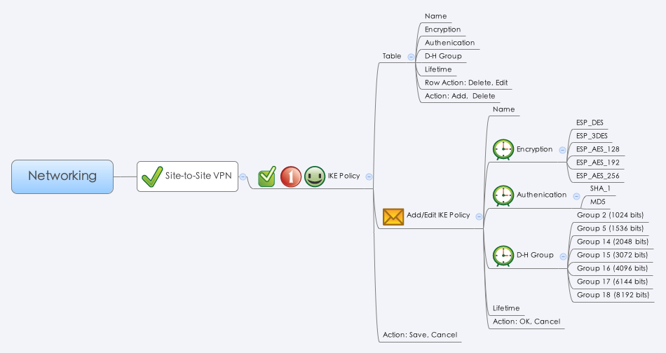

Behavior
# Limitations: Max IKE Policy Table Size = 16

[UI Display Name] | [CGI Name] | [JSON Name] | [Description] | [Restrictions]
Name | ipsecike.cgi | guiIpsecikeT.name | All viewable ASCII code except (whitespace) ‘ ` “ % ? | Length:63
Encryption | ipsecike.cgi | guiIpsecikeT.cipher | Select: "des": "ESP_DES", "3des": "ESP_3DES", "aes128": "ESP_AES_128", "aes192": "ESP_AES_192", "aes256": "ESP_AES_256"
Authentication | ipsecike.cgi | guiIpsecikeT.hash | Select: "sha1": "SHA_1", "md5": "MD5"
D-H Group | ipsecike.cgi | guiIpsecikeT.dhgroup | Select: "modp1024": "Group 2 (1024 bits)", "modp1536": "Group 5 (1536 bits)", "modp2048": "Group 14 (2048 bits)" "modp3072": "Group 15 (3072 bits)" "modp4096": "Group 16 (4096 bits)" "modp6144": "Group 17 (6144 bits)" "modp8192": "Group 18 (8192 bits)"
Lifetime | ipsecike.cgi | guiIpsecikeT.lifetime | range: 180 ~ 86400. Default: 86400. (seconds) | Range: 180-86400, Default: 86400, Unit: Seconds
N/A | ipsecike.cgi | guiIpsecikeT.cgiAction | int: 0:none, 1:add, 2:update, 3:delete

JSON String
## cgi name ##
ipsecike.cgi
## GET & POST methods ##
{
"guiIpsecikeTNum": 1,
"guiIpsecikeT": [
{
"gid": 268763136,
"name": "DefaultIke",
"cipher": "aes128",
"hash": "sha1",
"dhgroup": "modp1024",
"lifetime": 86400,
"userDefined": 0,
"cgiAction": 0
}
]
}

